Sheet1


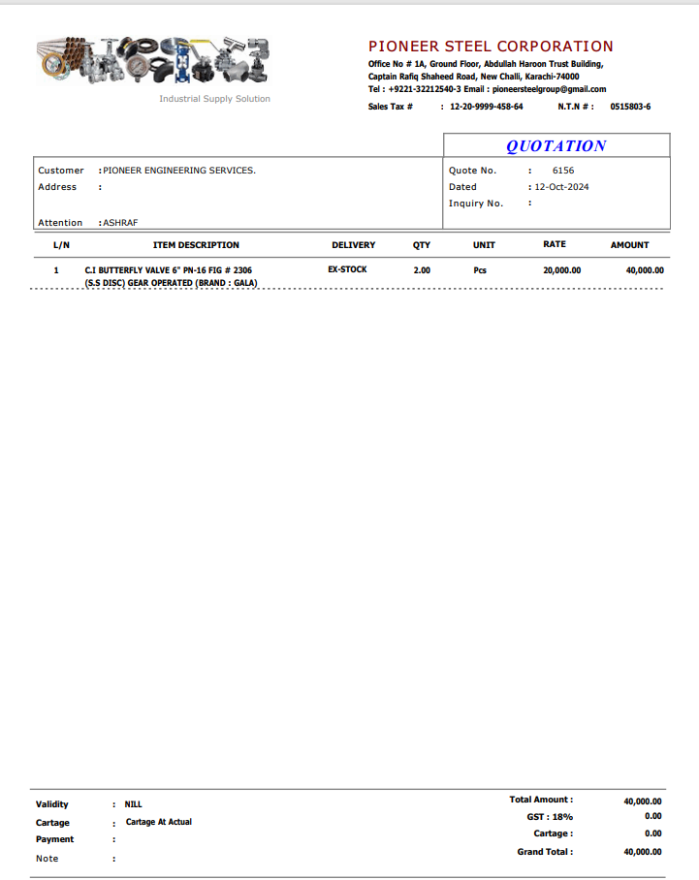

M/S Delta Industrial Supplies |  |  |  |  | 12-Oct-24

PO # GSK-1759
Att: Mr. Sheeraz

PURCHASE ORDER

Supply of Valves for the M.S Pipe (Meezan Bank Head Office Karachi)
S No. | D e s c r i p t i o n | Qty | Unit | Rate | Amount
 | Brand: GALA
1 | C.I BUTTERFLY VALVE 6" PN-16 FIG # 2306 (S.S DISC) GEAR OPERATED (BRAND : GALA) | 2 | Nos | 20,000 | 40,000
 |  | TOTAL: |  |  | 40,000

for Pioneer Engineering Services

